Location Plan & Summary
Intelligent Data Collection Limited

Client: | Bristol City Council |  |  | Date of Survey: |  | 09.07.2015
Project Number: | ID02343 |  |  | Site Name: |  | Whitehall Garden
Site Number: | ANPR Site 1 |  |  | Survey Type: |  | Two-way Link Count

X Coordinate |  | Y Coordinate |  |  | Google Maps Link
51.46355 |  | -2.552308 |  |  | Click Here
AM Peak Conditions |  | Inter-Peak Conditions |  |  | PM Peak Conditions
Clear and Sunny |  | Clear and Sunny |  |  | Clear and Sunny
Junction Layout

N
 |  |  |  |  |  | Arm B - Whitehall Garden (N)

 |  |  | Arm A - Whitehall Garden (S)

Aerial Mapping and On-site Camera View
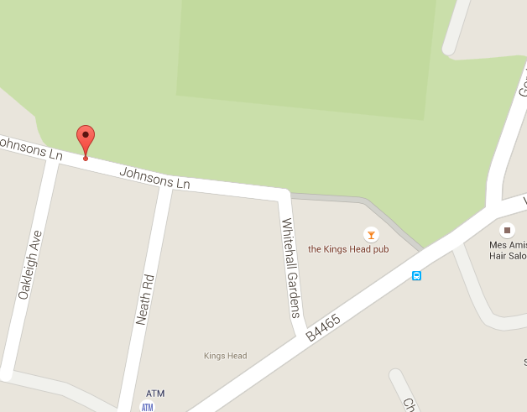
Arm B - Whitehall Garden (N)

Arm A - Whitehall Garden (S)

Junction Flow Profile
Arm Approach Flows (All Vehicles)
 | A to B (Northbound) | B to A (Southbound) | Two-way Total
7:00:00 | 5 | 4 | 9
7:15:00 | 17 | 4 | 21
7:30:00 | 21 | 5 | 26
7:45:00 | 24 | 4 | 28
8:00:00 | 28 | 5 | 33
8:15:00 | 33 | 11 | 44
8:30:00 | 21 | 6 | 27
8:45:00 | 29 | 6 | 35
9:00:00 | 18 | 10 | 28
9:15:00 | 24 | 7 | 31
9:30:00 | 7 | 4 | 11
9:45:00 | 6 | 6 | 12
10:00:00 | 6 | 2 | 8
10:15:00 | 9 | 2 | 11
10:30:00 | 3 | 5 | 8
10:45:00 | 4 | 7 | 11
11:00:00 | 3 | 6 | 9
11:15:00 | 4 | 4 | 8
11:30:00 | 7 | 3 | 10
11:45:00 | 7 | 4 | 11
12:00:00 | 3 | 5 | 8
12:15:00 | 7 | 6 | 13
12:30:00 | 6 | 3 | 9
12:45:00 | 5 | 4 | 9
13:00:00 | 8 | 6 | 14
13:15:00 | 2 | 3 | 5
13:30:00 | 4 | 7 | 11
13:45:00 | 3 | 5 | 8
14:00:00 | 0 | 4 | 4
14:15:00 | 3 | 9 | 12
14:30:00 | 3 | 9 | 12
14:45:00 | 2 | 8 | 10
15:00:00 | 9 | 7 | 16
15:15:00 | 10 | 6 | 16
15:30:00 | 16 | 15 | 31
15:45:00 | 12 | 12 | 24
16:00:00 | 6 | 4 | 10
16:15:00 | 5 | 7 | 12
16:30:00 | 8 | 4 | 12
16:45:00 | 2 | 7 | 9
17:00:00 | 6 | 11 | 17
17:15:00 | 11 | 11 | 22
17:30:00 | 5 | 13 | 18
17:45:00 | 16 | 12 | 28
18:00:00 | 9 | 13 | 22
18:15:00 | 13 | 4 | 17
18:30:00 | 11 | 6 | 17
18:45:00 | 11 | 9 | 20

Additional Notes (Factors which may impact on survey results such as accidents, roadworks, special events):

